Sheet2
1 | side |  | ft
 | sdie |  | ft
 | length | 0 | ft

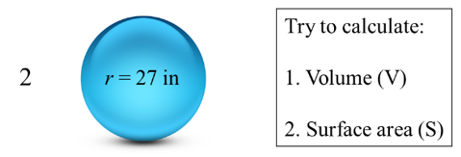
2 | radius |  | ft
 | volume | 0 | in^3
 | area | 0 | in^2

3 | radius |  | cm
 | height |  | cm
 | volume | 0 | cm^3
 | area | 0 | cm^2

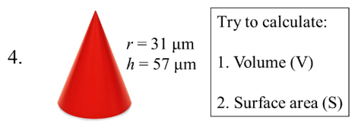
4 | radius |  | μm
 | height |  | μm
 | volume | 0 | μm^3
 | area | 0 | μm^2

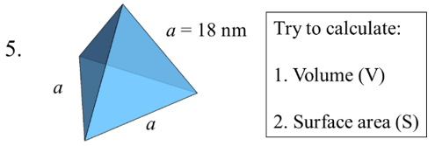
5 | side |  | nm
 | volume | 0 | nm^3
 | area | 0 | nm^2

